Sheet1
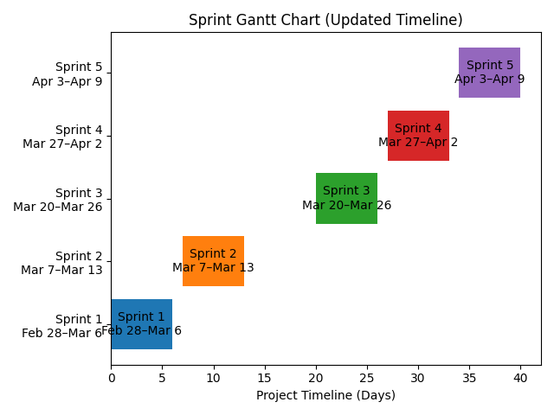
ID | Feature / Task (sıralama değişebilir aklıma gelenler yazdım) | Açıklama | Priority (ekleriz belki birşeyler low high diye) | Sprint (may change) | Timeline | Sprint review
1 | Tech Stack & Environment Setup | Frontend, Backend, DB seçimi ve repo kurulumu |  | Sprint 1 | February 28 – March 6 | The planned tasks for this sprint were completed as expected. However, authentication-related work, including validation and session management, required slightly more effort than initially estimated.
2 | Database Schema Design | Kullanıcı, Dizi, Yorum, Watchlist tabloları |  | Sprint 1
3 | Login & Signup UI | Formlar ve API entegrasyonu |  | Sprint 1

4 | Data Seeding | Temel dizi verileri ekleme |  | Sprint 2 | March 7 – March 13 | During the development of the search functionality, additional complexity arose from filtering and pagination requirements. Also we had midterms. As a result, a small portion of the work was carried over to the next sprint.
5 | Search Engine API | Search endpoint yazımı |  | Sprint 2
6 | Main Page & Search UI | Ana sayfa ve arama UI |  | Sprint 2

7 | Dizi Detay Sayfası | Dynamic routing amacı ==>> /dizi/:id |  | Sprint 3 | March 20 – March 26 | This sprint focused on completing the core user flows. Any remaining tasks from the previous sprint were finalized, and the main application functionality became operational.
8 | Watchlist Logic | İzleme listesi |  | Sprint 3
9 | Status Tracking | İzledim/İzliyorum/Bıraktım |  | Sprint 3

10 | Friend Interaction | Arkadaşların aktivitelerini görme |  | Sprint 4 | March 27 – April 2 | In this phase, the focus shifted toward user interaction and social features. Some features, particularly friend interaction, were deprioritized slightly to ensure stability of core functionalities.
11 | Rating & Review System | Puan + yorum + ortalama |  | Sprint 4
12 | User Profile | Profil sayfası |  | Sprint 4
13 | Settings & Profile Update | Şifre ve profil güncelleme |  | Sprint 4

14 | Final Testing & Bug Fix | Uçtan uca test |  | Sprint 5 | April 3 - April 9

 | The sprint plan was largely maintained throughout the project.
 | Minor task shifts occurred due to technical complexities.
 | A strong MVP-first approach ensured that core features were completed early.
 | The plan remained flexible and was adjusted in alignment with Agile principles.

